Sheet1
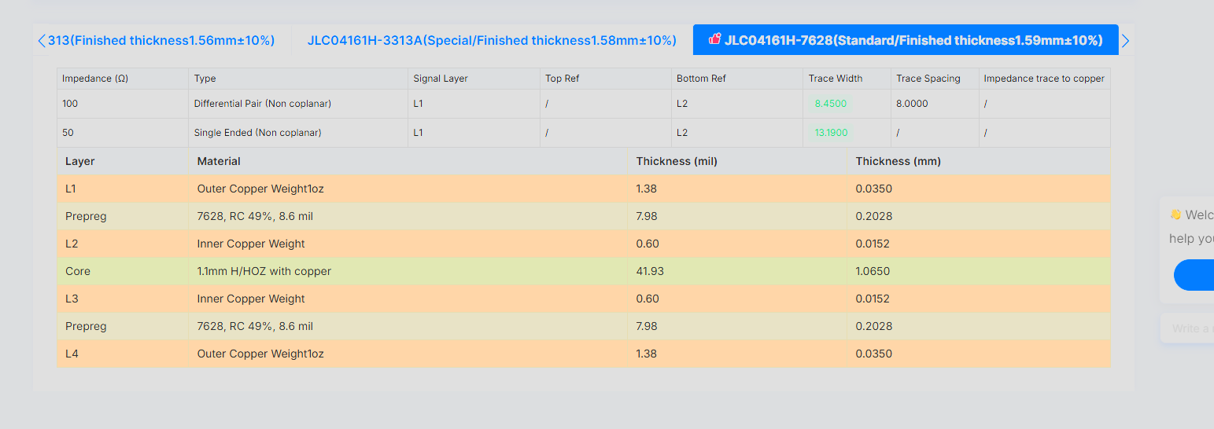
Signal Layer | Reference Layer | Impedance Type | Trace Width（mil) | Trace Spacing（mil) | Impedance(ohm)±10% | Position
L1 | L2 | Differential Pair Non coplanar | 8.45 | 8 | 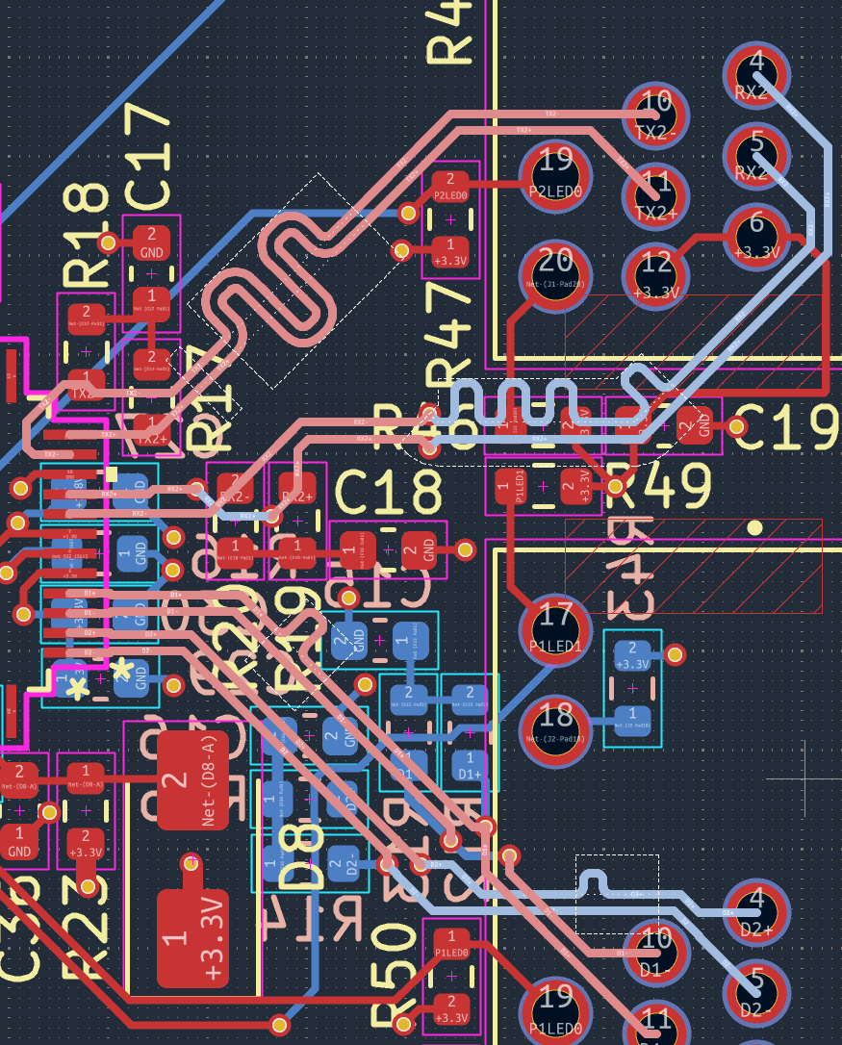 100

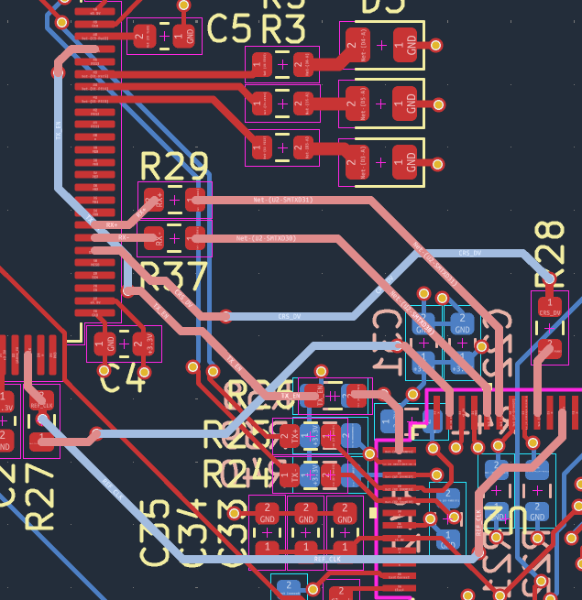
L1 | L2 | Single Ended Non Coplanar | 13.19 |  | 50

